Governemtn Database Regions
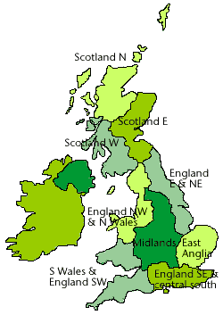
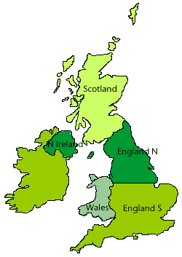
Wales
South West | UK Districts
England NW & N Wales |  | UK Regions
Midlands
East Anlia
Englad SE & Centra SOuth
England E & NE
Scotland

Source:
https://www.metoffice.gov.uk/research/climate/maps-and-data/uk-and-regional-series

